Sheet1
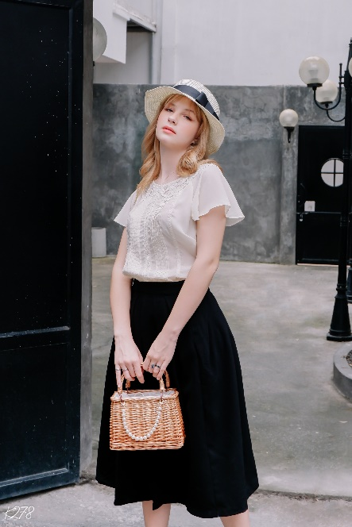
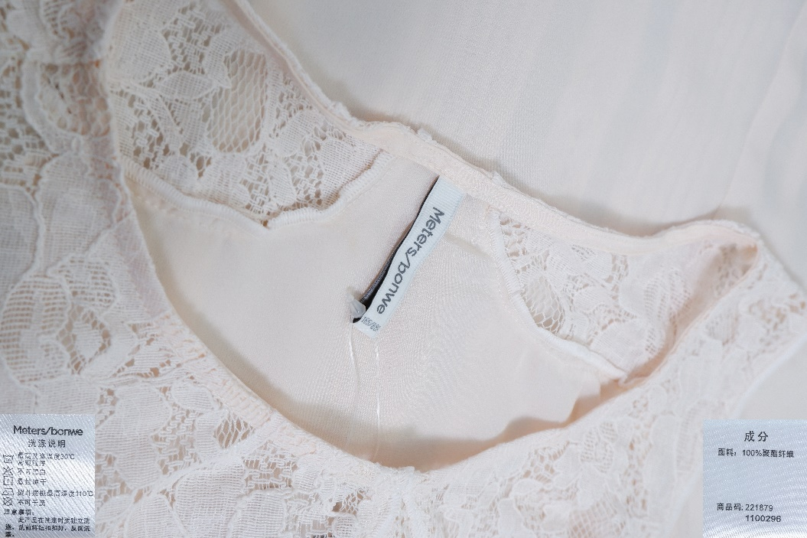

ITEM: | Ladies blouse
BRAND: | METERS/BONWE(korean brands)
QUANTITY: | 1153 pcs
SIZE | 155.160.165.170.175
COLOR: | white and cream
FABRIC: | woven:chiffon- 100%polyester
FOB PRICE : | $3.5/PCS

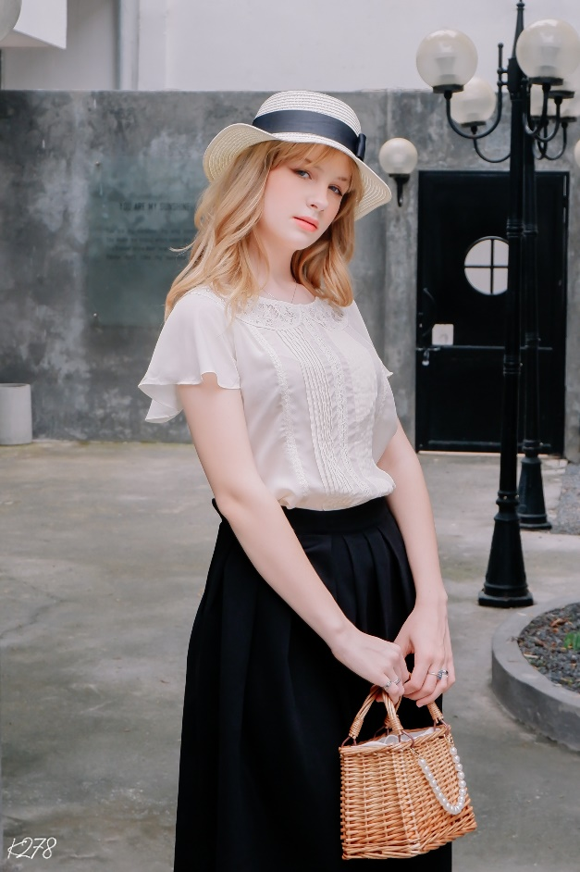
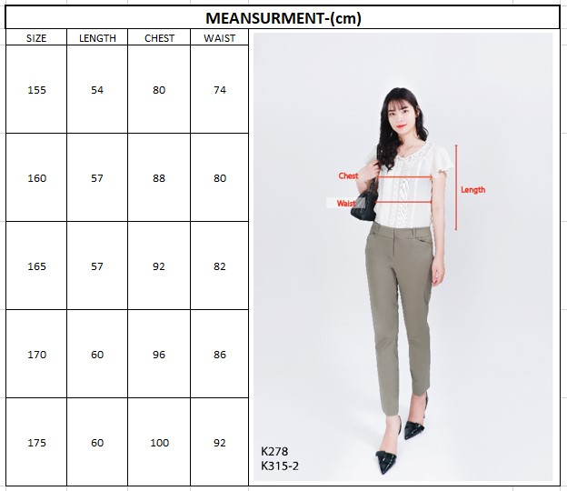

COLORS | 155 | 160 | 165 | 170 | 175 | TOTAL
CREAM | 20 | 370 | 111 | 58 | 48 | 607
WHITE | 133 | 299 | 40 | 71 | 3 | 546
TOTAL | 153 | 669 | 151 | 129 | 51 | 1153

